Sheet1
Example 46.1.4 - A Sampling Distribution Example
Problem Setup: |  | We sample 64 individuals. They spend, on average, 180 hours online per year with a
standard deviation of 90 hours. The times spent are highly skewed to the right.

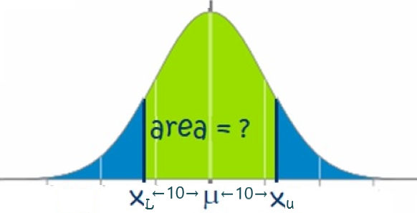
 | Question: | What is the probability of our sample mean being within 10 hours of the population mean?
 | mean (μx̄) = | 180
 | st deviation (σ) = | 90
 | sample size (n) = | 64
 | st error (σx̄) = | 11.25 | =C7/sqrt(C8)
 | width (x̄-μ) = | 10
 | Lower x̄-value = | 170 | =C6-C10
 | Upper x̄-value = | 190 | =C6+C10
 | P(within 10) = | 0.62593720251 | =NORM.DIST(C12,C6,C9,1)-NORM.DIST(C11,C6,C9,1)
 | Conclusion: | There is a 62.6% chance that the sample mean is within 10 hours of the population mean.

